Sheet1
Bug ID | Title/Summary | Description | Steps to Reproduce | Expected Result | Actual Result | Severity | Priority | Reporter & Date | Environment | Attachments/References | Test Case ID

BUG-001 | API does not validate invalid email format in getUserDetailByEmail endpoint | The API endpoint getUserDetailByEmail does not validate the email format before searching in the database. When an invalid email format such as fatma.com is sent, the API returns 404 Account not found instead of returning a validation error indicating invalid email format. | 1. Send GET request to https://automationexercise.com/api/getUserDetailByEmail 2. Pass parameter email=fatma.com 3. Click Send | API should validate email format and return HTTP 400 Bad Request with message such as: { "responseCode": 400, "message": "Invalid email format" } | API returned HTTP 404 Not Found with response: { "responseCode": 404, "message": "Account not found with this email, try another email!" } | Major | High | Fatma mostafa ali mostafa | Postman / AutomationExercise API | 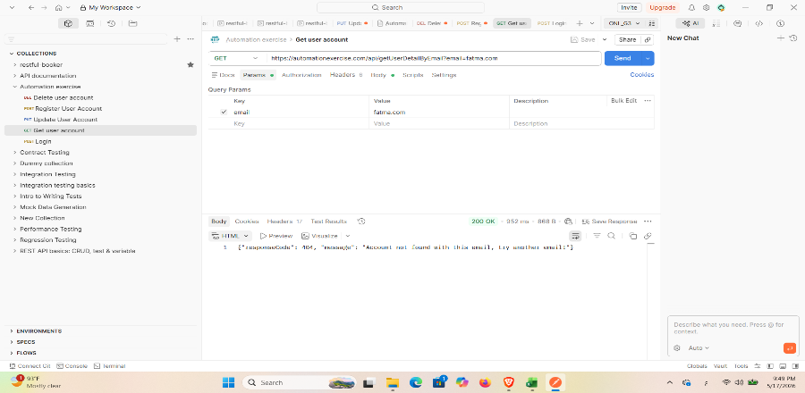 | API-TC-05

Bug ID | Title/Summary | Description | Steps to Reproduce | Expected Result | Actual Result | Severity | Priority | Reporter & Date | Environment | Attachments/References | Test Case ID

BUG-001 | POST /verifyLogin with invalid email & password returns 400 instead of 404 | The verifyLogin endpoint returns responseCode 400 with a missing parameter message when called with an invalid email and wrong password. Expected behavior is responseCode 404 with 'User not found!' message. | 1. Open Postman 2. Send POST to https://automationexercise.com/api/verifyLogin 3. Set Body (form-data): email=invalid@test.com, password=wrongpass123 4. Send request and inspect JSON response | {"responseCode": 404, "message": "User not found!"} | {"responseCode": 400, "message": "Bad request, email or password parameter is missing in POST request."} | High | High | Aya Ahmed Mohammed 20/05/2026 | Postman / AutomationExercise API | 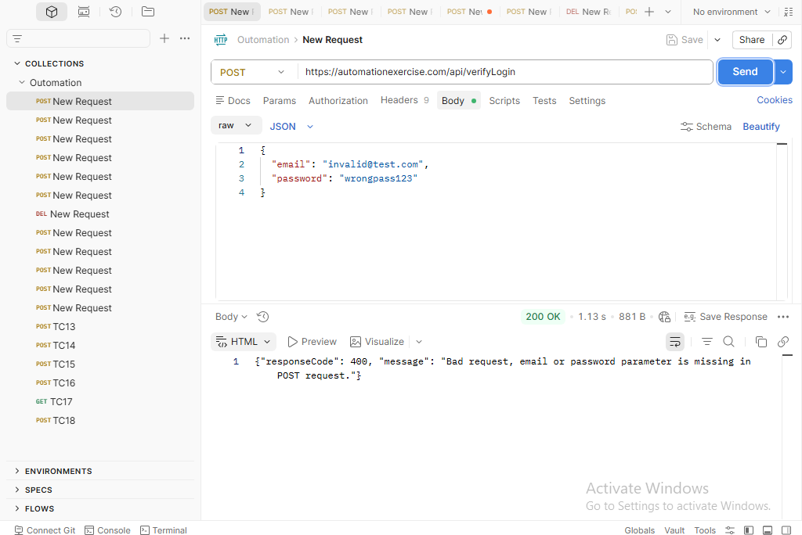 | API-TC-01
BUG-002 | POST /verifyLogin with valid email but wrong password returns 400 instead of 404 | The verifyLogin endpoint returns responseCode 400 with a missing parameter message when called with a registered email but an incorrect password. Expected behavior is responseCode 404 with 'User not found!' message. | 1. Open Postman 2. Send POST to https://automationexercise.com/api/verifyLogin 3. Set Body (form-data): email=registered@test.com, password=wrongpass 4. Send request and inspect JSON response | {"responseCode": 404, "message": "User not found!"} | {"responseCode": 400, "message": "Bad request, email or password parameter is missing in POST request."} | High | High | Aya Ahmed Mohammed 20/05/2026 | Postman / AutomationExercise API |  | API-TC-02
BUG-003 | POST /verifyLogin does not handle SQL injection safely — returns 400 instead of 404 | When a SQL injection string is passed in the email field, the API returns responseCode 400 with a missing parameter message instead of responseCode 404. The endpoint should safely handle malicious input and respond with 404 and no 5xx error. | 1. Open Postman 2. Send POST to https://automationexercise.com/api/verifyLogin 3. Set Body (form-data): email=' OR 1=1--, password=pass 4. Send request and inspect JSON response | {"responseCode": 404} — no 5xx server error or DB exploit | {"responseCode": 400, "message": "Bad request, email or password parameter is missing in POST request."} | Medium | Low | Aya Ahmed Mohammed 20/05/2026 | Postman / AutomationExercise API |  | API-TC-08
BUG-004 | POST /createAccount with all valid fields returns 400 instead of 201 | Sending a POST request to createAccount with all required and optional valid parameters returns responseCode 400 with a 'name parameter is missing' message. Expected behavior is responseCode 201 and 'User created!' confirmation. | 1. Open Postman 2. Send POST to https://automationexercise.com/api/createAccount 3. Set Body (form-data) with: name=John, email=newuser@test.com, password=Pass123, title=Mr, birth_date=15, birth_month=6, birth_year=1995, firstname=John, lastname=Doe, company=TestCo, address1=123 St, address2=Apt1, country=US, zipcode=10001, state=NY, city=NewYork, mobile_number=1234567890 4. Send request and inspect JSON response | {"responseCode": 201, "message": "User created!"} | {"responseCode": 400, "message": "Bad request, name parameter is missing in POST request."} | Critical | High | Aya Ahmed Mohammed 20/05/2026 | Postman / AutomationExercise API |  | API-TC-09
BUG-005 | POST /createAccount with already-registered email returns 400 'name missing' instead of 400 'Email already exist!' | When creating an account using an already-registered email, the API returns a generic 'name parameter is missing' error rather than the specific 'Email already exist!' message. The responseCode is correct (400) but the message is wrong. | 1. Ensure a user with email existing@test.com is already registered 2. Open Postman 3. Send POST to https://automationexercise.com/api/createAccount 4. Set Body (form-data): name=John, email=existing@test.com, password=Pass123, title=Mr 5. Send request and inspect JSON response | {"responseCode": 400, "message": "Email already exist!"} | {"responseCode": 400, "message": "Bad request, name parameter is missing in POST request."} | High | High | Aya Ahmed Mohammed 20/05/2026 | Postman / AutomationExercise API |  | API-TC-10

